Monocoque
Engine Front Face - Stud Loads |  |  |  |  |  | Max external axial load |  |  | 29015 |  |  |  |  |  | Revision | 1
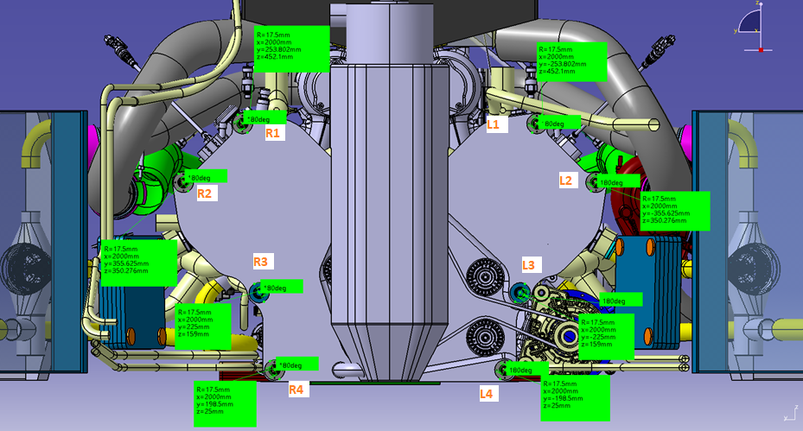
 |  |  |  |  |  | Bolt Axial Loads (Fx) |  |  |  |  |  |  |  | Bolt Y Shear Loads (Fy) |  |  |  |  |  |  |  | Bolt Z Shear Loads (Fz)
# | Case | ax | ay | az | Speed | L1 | L2 | L3 | L4 | R1 | R2 | R3 | R4 | L1 | L2 | L3 | L4 | R1 | R2 | R3 | R4 | L1 | L2 | L3 | L4 | R1 | R2 | R3 | R4
1 | Brake | 3.6 | 0 | 1 | 320 | -6687 | -3147 | 0 | 8160 | -6687 | -3147 | 0 | 8160 | 0 | 0 | 0 | 0 | 0 | 0 | 0 | 0 | 852 | 852 | 852 | 852 | 852 | 852 | 852 | 852
2 | Bump | 0 | 0 | 5 | 320 | -26908 | -13576 | 0 | 29015 | -26908 | -13576 | 0 | 29015 | 0 | 0 | 0 | 0 | 0 | 0 | 0 | 0 | 1127 | 1127 | 1127 | 1127 | 1127 | 1127 | 1127 | 1127
3 | Brake + Bump | 2.8 | 0 | 4 | 250 | -19235 | -9528 | 0 | 21479 | -19235 | -9528 | 0 | 21479 | 0 | 0 | 0 | 0 | 0 | 0 | 0 | 0 | 1287 | 1287 | 1287 | 1287 | 1287 | 1287 | 1287 | 1287
4 | Lateral | 0 | 3 | 1 | 320 | -1139 | 6151 | 0 | 15183 | -16141 | -14870 | 0 | 3450 | -33 | -315 | -843 | -1213 | -1169 | -888 | -359 | 11 | 1026 | 1307 | 947 | 873 | 1026 | 1307 | 947 | 873
5 | Lateral + Bump | 0 | 2.5 | 4 | 200 | -13608 | -1261 | 0 | 26303 | -26110 | -18778 | 0 | 16525 | -28 | -262 | -703 | -1011 | -974 | -740 | -299 | 9 | 1435 | 1669 | 1368 | 1307 | 1435 | 1669 | 1368 | 1307
6 | Lateral + Brake | 2.6 | 2.5 | 1 | 320 | -978 | 5275 | 0 | 13370 | -13480 | -12243 | 0 | 3592 | -28 | -262 | -703 | -1011 | -974 | -740 | -299 | 9 | 1290 | 1524 | 1223 | 1162 | 1290 | 1524 | 1223 | 1162
7 | Reverse Brake + Bump | -2.5 | 0 | 5 | 0 | -24192 | -12362 | 0 | 25426 | -24192 | -12362 | 0 | 25426 | 0 | 0 | 0 | 0 | 0 | 0 | 0 | 0 | 636 | 636 | 636 | 636 | 636 | 636 | 636 | 636
8 | Acceleration | -1.6 | 0 | 1 | 150 | -11164 | -6572 | 0 | 8096 | -11164 | -6572 | 0 | 8096 | 0 | 0 | 0 | 0 | 0 | 0 | 0 | 0 | -6 | -6 | -6 | -6 | -6 | -6 | -6 | -6
9 | Acceleration + Bump | -2 | 0 | 5 | 150 | -30857 | -16743 | 0 | 28346 | -30857 | -16743 | 0 | 28346 | 0 | 0 | 0 | 0 | 0 | 0 | 0 | 0 | 737 | 737 | 737 | 737 | 737 | 737 | 737 | 737
10 | Single wheel bump RL (manual) | 0 | 0 | 5 | 320 | -26303 | -13270 | 0 | 28362 | -26303 | -13270 | 0 | 28362 | -4823 | -2433 | 2056 | 5201 | 4823 | 2433 | -2056 | -5201 | -3091 | -5481 | -2415 | -1793 | -3091 | -5481 | -2415 | -1793

 |  |  |  |  |  | Resultant Shear Loads (Fyz) |  |  |  |  |  |  |  | Minimum required axial load (Fa_min)
# | Case |  |  |  |  | L1 | L2 | L3 | L4 | R1 | R2 | R3 | R4 | L1 | L2 | L3 | L4 | R1 | R2 | R3 | R4
1 | Brake |  |  |  |  | 852 | 852 | 852 | 852 | 852 | 852 | 852 | 852 | 4258 | 4258 | 4258 | 4258 | 4258 | 4258 | 4258 | 4258
2 | Bump |  |  |  |  | 1127 | 1127 | 1127 | 1127 | 1127 | 1127 | 1127 | 1127 | 5633 | 5633 | 5633 | 5633 | 5633 | 5633 | 5633 | 5633
3 | Brake + Bump |  |  |  |  | 1287 | 1287 | 1287 | 1287 | 1287 | 1287 | 1287 | 1287 | 6436 | 6436 | 6436 | 6436 | 6436 | 6436 | 6436 | 6436
4 | Lateral |  |  |  |  | 1027 | 1345 | 1268 | 1495 | 1555 | 1580 | 1012 | 873 | 5133 | 6724 | 6338 | 7475 | 7777 | 7901 | 5062 | 4367
5 | Lateral + Bump |  |  |  |  | 1435 | 1689 | 1538 | 1653 | 1734 | 1826 | 1401 | 1307 | 7174 | 8447 | 7691 | 8263 | 8670 | 9128 | 7003 | 6536
6 | Lateral + Brake |  |  |  |  | 1290 | 1546 | 1411 | 1541 | 1616 | 1694 | 1259 | 1162 | 6450 | 7732 | 7054 | 7703 | 8081 | 8470 | 6297 | 5812
7 | Reverse Brake + Bump |  |  |  |  | 636 | 636 | 636 | 636 | 636 | 636 | 636 | 636 | 3181 | 3181 | 3181 | 3181 | 3181 | 3181 | 3181 | 3181
8 | Acceleration |  |  |  |  | 6 | 6 | 6 | 6 | 6 | 6 | 6 | 6 | 32 | 32 | 32 | 32 | 32 | 32 | 32 | 32
9 | Acceleration + Bump |  |  |  |  | 737 | 737 | 737 | 737 | 737 | 737 | 737 | 737 | 3684 | 3684 | 3684 | 3684 | 3684 | 3684 | 3684 | 3684
10 | Single wheel bump RL (manual) |  |  |  |  | 5729 | 5997 | 3172 | 5501 | 5729 | 5997 | 3172 | 5501 | 28645 | 29986 | 15860 | 27507 | 28645 | 29986 | 15860 | 27507

 |  |  |  |  |  | MIN TIGHTENING TORQUE
 |  |  |  |  |  | Residual axial load |  |  |  |  |  |  |  | Shear load not trasmitted by friction |  |  |  |  |  |  |  | SF |  |  |  |  |  |  |  |  |  |  | Shear stress from pure shear load - circular section
# | Case |  |  |  |  | L1 | L2 | L3 | L4 | R1 | R2 | R3 | R4 | L1 | L2 | L3 | L4 | R1 | R2 | R3 | R4 | L1 | L2 | L3 | L4 | R1 | R2 | R3 | R4
1 | Brake |  |  |  |  | 35836 | 32297 | 29149 | 20990 | 35836 | 32297 | 29149 | 20990 | 0 | 0 | 0 | 0 | 0 | 0 | 0 | 0 | 3.5 | 3.2 | 3.0 | 2.6 | 3.5 | 3.2 | 3.0 | 2.6
2 | Bump |  |  |  |  | 56058 | 42725 | 29149 | 134 | 56058 | 42725 | 29149 | 134 | 0 | 0 | 0 | 1100 | 0 | 0 | 0 | 1100 | 4.9 | 4.1 | 3.0 | 1.8 | 4.9 | 4.1 | 3.0 | 1.8 | Chosen tightening torque
3 | Brake + Bump |  |  |  |  | 48384 | 38678 | 29149 | 7670 | 48384 | 38678 | 29149 | 7670 | 0 | 0 | 0 | 0 | 0 | 0 | 0 | 0 | 4.5 | 3.7 | 3.0 | 2.0 | 4.5 | 3.7 | 3.0 | 2.0
4 | Lateral |  |  |  |  | 30288 | 22998 | 29149 | 13966 | 45291 | 44019 | 29149 | 25699 | 0 | 0 | 0 | 0 | 0 | 0 | 0 | 0 | 3.1 | 2.7 | 3.0 | 2.2 | 4.3 | 4.2 | 3.0 | 2.8 | Tightening torque | 100000 | Nmm | Shear stress due to torsion load - circular section
5 | Lateral + Bump |  |  |  |  | 42758 | 30410 | 29149 | 2847 | 55260 | 47927 | 29149 | 12624 | 0 | 0 | 0 | 1083 | 0 | 0 | 0 | 0 | 4.1 | 3.1 | 3.0 | 1.8 | 4.9 | 4.5 | 3.0 | 2.2 |  | 100 | Nm
6 | Lateral + Brake |  |  |  |  | 30128 | 23875 | 29149 | 15779 | 42630 | 41392 | 29149 | 25557 | 0 | 0 | 0 | 0 | 0 | 0 | 0 | 0 | 3.1 | 2.7 | 3.0 | 2.3 | 4.1 | 3.9 | 3.0 | 2.8
7 | Reverse Brake + Bump |  |  |  |  | 53341 | 41512 | 29149 | 3723 | 53341 | 41512 | 29149 | 3723 | 0 | 0 | 0 | 0 | 0 | 0 | 0 | 0 | 4.8 | 4.0 | 3.0 | 1.9 | 4.8 | 4.0 | 3.0 | 1.9 | Tightening torque uncertainty | 0.25
8 | Acceleration |  |  |  |  | 40313 | 35721 | 29149 | 21053 | 40313 | 35721 | 29149 | 21053 | 0 | 0 | 0 | 0 | 0 | 0 | 0 | 0 | 3.9 | 3.5 | 3.0 | 2.6 | 3.9 | 3.5 | 3.0 | 2.6 | Tightening torque scale factor min | 0.75
9 | Acceleration + Bump |  |  |  |  | 60007 | 45892 | 29149 | 803 | 60007 | 45892 | 29149 | 803 | 0 | 0 | 0 | 576 | 0 | 0 | 0 | 576 | 4.9 | 4.3 | 3.0 | 1.8 | 4.9 | 4.3 | 3.0 | 1.8 | Tightening torque scale factor max | 1.25
10 | Single wheel bump RL (manual) |  |  |  |  | 55452 | 42420 | 29149 | 787 | 55452 | 42420 | 29149 | 787 | 0 | 0 | 0 | 5344 | 0 | 0 | 0 | 5344 | 4.9 | 4.0 | 3.0 | 1.7 | 4.9 | 4.0 | 3.0 | 1.7 |  |  |  | Axial force-torque relationship
 |  |  |  |  |  |  |  |  |  |  |  |  |  |  |  |  |  |  |  |  |  |  |  |  |  |  |  |  |  | Axial load from tightening min | 29149.341249 | N
 |  |  |  |  |  | MAX TIGHTENING TORQUE |  |  |  |  |  |  |  |  |  |  |  |  |  |  |  |  |  |  |  |  |  |  |  | Thread friction torque min | 35869.195574 | Nmm
 |  |  |  |  |  | Residual axial load |  |  |  |  |  |  |  | Shear load not trasmitted by friction |  |  |  |  |  |  |  | SF
# | Case |  |  |  |  | L1 | L2 | L3 | L4 | R1 | R2 | R3 | R4 | L1 | L2 | L3 | L4 | R1 | R2 | R3 | R4 | L1 | L2 | L3 | L4 | R1 | R2 | R3 | R4 | Axial load from tightening max | 48582.235415 | N
1 | Brake |  |  |  |  | 55269 | 51730 | 48582 | 40423 | 55269 | 51730 | 48582 | 40423 | 0 | 0 | 0 | 0 | 0 | 0 | 0 | 0 | 2.0 | 1.9 | 1.8 | 1.6 | 2.0 | 1.9 | 1.8 | 1.6 | Thread friction torque max | 59781.992624 | Nmm | Torque due to friction at the contact surface between the bolt and the nut threads
2 | Bump |  |  |  |  | 75491 | 62158 | 48582 | 19567 | 75491 | 62158 | 48582 | 19567 | 0 | 0 | 0 | 0 | 0 | 0 | 0 | 0 | 2.6 | 2.2 | 1.8 | 1.3 | 2.6 | 2.2 | 1.8 | 1.3 | Maximum axial load (inc ext) | 77597 | N
3 | Brake + Bump |  |  |  |  | 67817 | 58111 | 48582 | 27103 | 67817 | 58111 | 48582 | 27103 | 0 | 0 | 0 | 0 | 0 | 0 | 0 | 0 | 2.3 | 2.1 | 1.8 | 1.4 | 2.3 | 2.1 | 1.8 | 1.4
4 | Lateral |  |  |  |  | 49721 | 42431 | 48582 | 33399 | 64724 | 63452 | 48582 | 45132 | 0 | 0 | 0 | 0 | 0 | 0 | 0 | 0 | 1.8 | 1.7 | 1.8 | 1.5 | 2.2 | 2.2 | 1.8 | 1.7 | Tigtening SF | 2.3
5 | Lateral + Bump |  |  |  |  | 62191 | 49843 | 48582 | 22279 | 74692 | 67360 | 48582 | 32057 | 0 | 0 | 0 | 0 | 0 | 0 | 0 | 0 | 2.2 | 1.8 | 1.8 | 1.3 | 2.5 | 2.3 | 1.8 | 1.5
6 | Lateral + Brake |  |  |  |  | 49561 | 43307 | 48582 | 35212 | 62063 | 60825 | 48582 | 44990 | 0 | 0 | 0 | 0 | 0 | 0 | 0 | 0 | 1.8 | 1.7 | 1.8 | 1.5 | 2.2 | 2.1 | 1.8 | 1.7
7 | Reverse Brake + Bump |  |  |  |  | 72774 | 60945 | 48582 | 23156 | 72774 | 60945 | 48582 | 23156 | 0 | 0 | 0 | 0 | 0 | 0 | 0 | 0 | 2.5 | 2.1 | 1.8 | 1.3 | 2.5 | 2.1 | 1.8 | 1.3
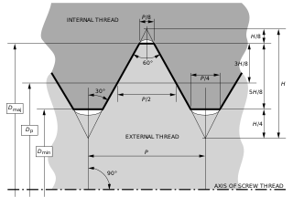
8 | Acceleration |  |  |  |  | 59746 | 55154 | 48582 | 40486 | 59746 | 55154 | 48582 | 40486 | 0 | 0 | 0 | 0 | 0 | 0 | 0 | 0 | 2.1 | 2.0 | 1.8 | 1.6 | 2.1 | 2.0 | 1.8 | 1.6
9 | Acceleration + Bump |  |  |  |  | 79440 | 65325 | 48582 | 20236 | 79440 | 65325 | 48582 | 20236 | 0 | 0 | 0 | 0 | 0 | 0 | 0 | 0 | 2.7 | 2.3 | 1.8 | 1.3 | 2.7 | 2.3 | 1.8 | 1.3
10 | Single wheel bump RL (manual) |  |  |  |  | 74885 | 61853 | 48582 | 20220 | 74885 | 61853 | 48582 | 20220 | 0 | 0 | 0 | 1457 | 0 | 0 | 0 | 1457 | 2.5 | 2.2 | 1.8 | 1.3 | 2.5 | 2.2 | 1.8 | 1.3

 | Input data |  |  |  | changed with respect to previous version
 | Tightening interface
 | Steel-steel friction coefficient | 0.2 | -

 | Thread data
 | Mean diameter | 11.875 | mm
 | Root diameter | 11.143 | mm
 | Pitch | 1.27 | mm
 | Thread angle | 30 | °
 | Thread friction coefficient | 0.15

 | Nut data
 | Outer contact diameter | 22.098 | mm
 | Inner contact diameter | 13.7 | mm
 | Nut friction coefficient | 0.15 | -
 | Nut friction diameter | 17.899 | mm

 | Strength data
 | Tensile Yield strength | 1172 | MPa
 | Minimum diameter | 11 | mm
 | Minimum area | 95.033177771 | mm^2

Bellhousing
Engine Rear Face - Stud Loads |  |  |  |  |  | Max external axial load |  |  | 21240 |  |  |  |  |  | Revision | 1
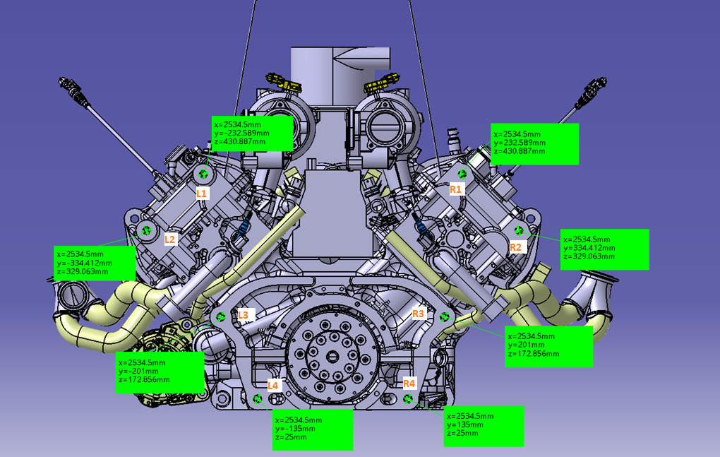
 |  |  |  |  |  | Bolt Axial Loads (Fx) |  |  |  |  |  |  |  | Bolt Y Shear Loads (Fy) |  |  |  |  |  |  |  | Bolt Z Shear Loads (Fz)
# | Case | ax | ay | az | Speed | L1 | L2 | L3 | L4 | R1 | R2 | R3 | R4 | L1 | L2 | L3 | L4 | R1 | R2 | R3 | R4 | L1 | L2 | L3 | L4 | R1 | R2 | R3 | R4
1 | Brake | 3.6 | 0 | 1 | 320 | -536 | 636 | 2433 | 4134 | -536 | 636 | 2433 | 4134 | 0 | 0 | 0 | 0 | 0 | 0 | 0 | 0 | 1521 | 1521 | 1521 | 1521 | 1521 | 1521 | 1521 | 1521
2 | Bump | 0 | 0 | 5 | 320 | -17620 | -8248 | 6130 | 19739 | -17620 | -8248 | 6130 | 19739 | 0 | 0 | 0 | 0 | 0 | 0 | 0 | 0 | 3267 | 3267 | 3267 | 3267 | 3267 | 3267 | 3267 | 3267
3 | Brake + Bump | 2.8 | 0 | 4 | 250 | -9407 | -3714 | 5020 | 13287 | -9407 | -3714 | 5020 | 13287 | 0 | 0 | 0 | 0 | 0 | 0 | 0 | 0 | 2943 | 2943 | 2943 | 2943 | 2943 | 2943 | 2943 | 2943
4 | Lateral | 0 | 3 | 1 | 320 | -1313 | 3788 | 5961 | 9193 | -10395 | -9269 | -1888 | 3922 | -1092 | -1418 | -1918 | -2391 | -2318 | -1992 | -1492 | -1018 | 1739 | 2065 | 1638 | 1426 | 1739 | 2065 | 1638 | 1426
5 | Lateral + Bump | 0 | 2.5 | 4 | 200 | -9120 | -600 | 7759 | 16652 | -16688 | -11481 | 1219 | 12259 | -910 | -1182 | -1598 | -1993 | -1931 | -1660 | -1243 | -849 | 3060 | 3332 | 2976 | 2800 | 3060 | 3332 | 2976 | 2800
6 | Lateral + Brake | 2.6 | 2.5 | 1 | 320 | 1771 | 5139 | 5593 | 7004 | -5797 | -5743 | -947 | 2611 | -910 | -1182 | -1598 | -1993 | -1931 | -1660 | -1243 | -849 | 1995 | 2267 | 1911 | 1735 | 1995 | 2267 | 1911 | 1735
7 | Reverse Brake + Bump | -2.5 | 0 | 5 | 0 | -18401 | -9229 | 4841 | 18159 | -18401 | -9229 | 4841 | 18159 | 0 | 0 | 0 | 0 | 0 | 0 | 0 | 0 | 2476 | 2476 | 2476 | 2476 | 2476 | 2476 | 2476 | 2476
8 | Acceleration | -1.6 | 0 | 1 | 150 | -10278 | -5881 | 865 | 7250 | -10278 | -5881 | 865 | 7250 | 0 | 0 | 0 | 0 | 0 | 0 | 0 | 0 | 428 | 428 | 428 | 428 | 428 | 428 | 428 | 428
9 | Acceleration + Bump | -2 | 0 | 5 | 150 | -23718 | -12440 | 4863 | 21240 | -23718 | -12440 | 4863 | 21240 | 0 | 0 | 0 | 0 | 0 | 0 | 0 | 0 | 2642 | 2642 | 2642 | 2642 | 2642 | 2642 | 2642 | 2642
10 | Single wheel bump RL (manual) | 0 | 0 | 5 | 320 | -13970 | -6539 | 4860 | 15649 | -13970 | -6539 | 4860 | 15649 | -5491 | -2570 | 1910 | 6151 | 5491 | 2570 | -1910 | -6151 | -3806 | -6727 | -2900 | -1007 | -3806 | -6727 | -2900 | -1007

 |  |  |  |  |  | Resultant Shear Loads (Fyz) |  |  |  |  |  |  |  | Minimum required axial load (Fa_min)
# | Case |  |  |  |  | L1 | L2 | L3 | L4 | R1 | R2 | R3 | R4 | L1 | L2 | L3 | L4 | R1 | R2 | R3 | R4
1 | Brake |  |  |  |  | 1521 | 1521 | 1521 | 1521 | 1521 | 1521 | 1521 | 1521 | 7604 | 7604 | 7604 | 7604 | 7604 | 7604 | 7604 | 7604
2 | Bump |  |  |  |  | 3267 | 3267 | 3267 | 3267 | 3267 | 3267 | 3267 | 3267 | 16336 | 16336 | 16336 | 16336 | 16336 | 16336 | 16336 | 16336
3 | Brake + Bump |  |  |  |  | 2943 | 2943 | 2943 | 2943 | 2943 | 2943 | 2943 | 2943 | 14713 | 14713 | 14713 | 14713 | 14713 | 14713 | 14713 | 14713
4 | Lateral |  |  |  |  | 2053 | 2505 | 2522 | 2784 | 2897 | 2869 | 2215 | 1752 | 10266 | 12523 | 12610 | 13922 | 14487 | 14344 | 11075 | 8762
5 | Lateral + Bump |  |  |  |  | 3192 | 3535 | 3378 | 3436 | 3619 | 3722 | 3225 | 2925 | 15962 | 17675 | 16889 | 17182 | 18093 | 18611 | 16124 | 14627
6 | Lateral + Brake |  |  |  |  | 2193 | 2556 | 2491 | 2642 | 2777 | 2809 | 2279 | 1931 | 10964 | 12781 | 12455 | 13210 | 13884 | 14047 | 11397 | 9655
7 | Reverse Brake + Bump |  |  |  |  | 2476 | 2476 | 2476 | 2476 | 2476 | 2476 | 2476 | 2476 | 12378 | 12378 | 12378 | 12378 | 12378 | 12378 | 12378 | 12378
8 | Acceleration |  |  |  |  | 428 | 428 | 428 | 428 | 428 | 428 | 428 | 428 | 2139 | 2139 | 2139 | 2139 | 2139 | 2139 | 2139 | 2139
9 | Acceleration + Bump |  |  |  |  | 2642 | 2642 | 2642 | 2642 | 2642 | 2642 | 2642 | 2642 | 13212 | 13212 | 13212 | 13212 | 13212 | 13212 | 13212 | 13212
10 | Single wheel bump RL (manual) |  |  |  |  | 6681 | 7201 | 3473 | 6233 | 6681 | 7201 | 3473 | 6233 | 33407 | 36007 | 17364 | 31167 | 33407 | 36007 | 17364 | 31167

 |  |  |  |  |  | MIN TIGHTENING TORQUE
 |  |  |  |  |  | Residual axial load |  |  |  |  |  |  |  | Shear load not trasmitted by friction |  |  |  |  |  |  |  | SF
# | Case |  |  |  |  | L1 | L2 | L3 | L4 | R1 | R2 | R3 | R4 | L1 | L2 | L3 | L4 | R1 | R2 | R3 | R4 | L1 | L2 | L3 | L4 | R1 | R2 | R3 | R4
1 | Brake |  |  |  |  | 31143 | 29971 | 28174 | 26472 | 31143 | 29971 | 28174 | 26472 | 0 | 0 | 0 | 0 | 0 | 0 | 0 | 0 | 2.9 | 2.8 | 2.7 | 2.6 | 2.9 | 2.8 | 2.7 | 2.6
2 | Bump |  |  |  |  | 48227 | 38855 | 24477 | 10868 | 48227 | 38855 | 24477 | 10868 | 0 | 0 | 0 | 1094 | 0 | 0 | 0 | 1094 | 4.1 | 3.4 | 2.5 | 2.0 | 4.1 | 3.4 | 2.5 | 2.0 | Chosen tightening torque
3 | Brake + Bump |  |  |  |  | 40014 | 34321 | 25587 | 17319 | 40014 | 34321 | 25587 | 17319 | 0 | 0 | 0 | 0 | 0 | 0 | 0 | 0 | 3.5 | 3.1 | 2.6 | 2.2 | 3.5 | 3.1 | 2.6 | 2.2
4 | Lateral |  |  |  |  | 31920 | 26818 | 24646 | 21413 | 41002 | 39876 | 32494 | 26685 | 0 | 0 | 0 | 0 | 0 | 0 | 0 | 0 | 3.0 | 2.7 | 2.6 | 2.4 | 3.6 | 3.5 | 3.0 | 2.7 | Tightening torque | 105000 | Nmm
5 | Lateral + Bump |  |  |  |  | 39727 | 31207 | 22848 | 13955 | 47295 | 42088 | 29388 | 18348 | 0 | 0 | 0 | 645 | 0 | 0 | 0 | 0 | 3.5 | 2.9 | 2.5 | 2.1 | 4.0 | 3.7 | 2.8 | 2.3 |  | 105 | Nm
6 | Lateral + Brake |  |  |  |  | 28836 | 25468 | 25014 | 23603 | 36404 | 36349 | 31554 | 27996 | 0 | 0 | 0 | 0 | 0 | 0 | 0 | 0 | 2.8 | 2.6 | 2.6 | 2.5 | 3.2 | 3.2 | 2.9 | 2.7
7 | Reverse Brake + Bump |  |  |  |  | 49008 | 39836 | 25766 | 12448 | 49008 | 39836 | 25766 | 12448 | 0 | 0 | 0 | 0 | 0 | 0 | 0 | 0 | 4.2 | 3.5 | 2.6 | 2.1 | 4.2 | 3.5 | 2.6 | 2.1 | Tightening torque uncertainty | 0.25
8 | Acceleration |  |  |  |  | 40885 | 36488 | 29742 | 23357 | 40885 | 36488 | 29742 | 23357 | 0 | 0 | 0 | 0 | 0 | 0 | 0 | 0 | 3.6 | 3.3 | 2.8 | 2.5 | 3.6 | 3.3 | 2.8 | 2.5 | Tightening torque scale factor min | 0.75
9 | Acceleration + Bump |  |  |  |  | 54325 | 43047 | 25744 | 9367 | 54325 | 43047 | 25744 | 9367 | 0 | 0 | 0 | 769 | 0 | 0 | 0 | 769 | 4.5 | 3.7 | 2.6 | 1.9 | 4.5 | 3.7 | 2.6 | 1.9 | Tightening torque scale factor max | 1.25
10 | Single wheel bump RL (manual) |  |  |  |  | 44577 | 37146 | 25747 | 14958 | 44577 | 37146 | 25747 | 14958 | 0 | 0 | 0 | 3242 | 0 | 0 | 0 | 3242 | 3.8 | 3.3 | 2.6 | 2.0 | 3.8 | 3.3 | 2.6 | 2.0
 |  |  |  |  |  |  |  |  |  |  |  |  |  |  |  |  |  |  |  |  |  |  |  |  |  |  |  |  |  | Axial load from tightening min | 30606.808311 | N
 |  |  |  |  |  | MAX TIGHTENING TORQUE |  |  |  |  |  |  |  |  |  |  |  |  |  |  |  |  |  |  |  |  |  |  |  | Thread friction torque min | 37662.655353 | Nmm
 |  |  |  |  |  | Residual axial load |  |  |  |  |  |  |  | Shear load not trasmitted by friction |  |  |  |  |  |  |  | SF
# | Case |  |  |  |  | L1 | L2 | L3 | L4 | R1 | R2 | R3 | R4 | L1 | L2 | L3 | L4 | R1 | R2 | R3 | R4 | L1 | L2 | L3 | L4 | R1 | R2 | R3 | R4 | Axial load from tightening max | 51011.347185 | N
1 | Brake |  |  |  |  | 51547 | 50376 | 48578 | 46877 | 51547 | 50376 | 48578 | 46877 | 0 | 0 | 0 | 0 | 0 | 0 | 0 | 0 | 1.7 | 1.7 | 1.7 | 1.6 | 1.7 | 1.7 | 1.7 | 1.6 | Thread friction torque max | 62771.092255 | Nmm
2 | Bump |  |  |  |  | 68632 | 59259 | 44882 | 31273 | 68632 | 59259 | 44882 | 31273 | 0 | 0 | 0 | 0 | 0 | 0 | 0 | 0 | 2.2 | 1.9 | 1.6 | 1.4 | 2.2 | 1.9 | 1.6 | 1.4 | Maximum axial load (inc ext) | 72252 | N
3 | Brake + Bump |  |  |  |  | 60419 | 54725 | 45991 | 37724 | 60419 | 54725 | 45991 | 37724 | 0 | 0 | 0 | 0 | 0 | 0 | 0 | 0 | 1.9 | 1.8 | 1.6 | 1.5 | 1.9 | 1.8 | 1.6 | 1.5
4 | Lateral |  |  |  |  | 52325 | 47223 | 45051 | 41818 | 61406 | 60280 | 52899 | 47089 | 0 | 0 | 0 | 0 | 0 | 0 | 0 | 0 | 1.8 | 1.6 | 1.6 | 1.5 | 2.0 | 1.9 | 1.8 | 1.6 | Tigtening SF | 2.2
5 | Lateral + Bump |  |  |  |  | 60131 | 51611 | 43252 | 34360 | 67699 | 62492 | 49792 | 38752 | 0 | 0 | 0 | 0 | 0 | 0 | 0 | 0 | 1.9 | 1.7 | 1.6 | 1.4 | 2.1 | 2.0 | 1.7 | 1.5
6 | Lateral + Brake |  |  |  |  | 49240 | 45873 | 45418 | 44007 | 56808 | 56754 | 51958 | 48400 | 0 | 0 | 0 | 0 | 0 | 0 | 0 | 0 | 1.7 | 1.6 | 1.6 | 1.6 | 1.9 | 1.9 | 1.7 | 1.7
7 | Reverse Brake + Bump |  |  |  |  | 69413 | 60241 | 46170 | 32852 | 69413 | 60241 | 46170 | 32852 | 0 | 0 | 0 | 0 | 0 | 0 | 0 | 0 | 2.2 | 1.9 | 1.6 | 1.4 | 2.2 | 1.9 | 1.6 | 1.4
8 | Acceleration |  |  |  |  | 61289 | 56892 | 50147 | 43762 | 61289 | 56892 | 50147 | 43762 | 0 | 0 | 0 | 0 | 0 | 0 | 0 | 0 | 2.0 | 1.9 | 1.7 | 1.6 | 2.0 | 1.9 | 1.7 | 1.6
9 | Acceleration + Bump |  |  |  |  | 74730 | 63451 | 46149 | 29771 | 74730 | 63451 | 46149 | 29771 | 0 | 0 | 0 | 0 | 0 | 0 | 0 | 0 | 2.3 | 2.0 | 1.6 | 1.4 | 2.3 | 2.0 | 1.6 | 1.4
10 | Single wheel bump RL (manual) |  |  |  |  | 64981 | 57551 | 46152 | 35362 | 64981 | 57551 | 46152 | 35362 | 0 | 0 | 0 | 0 | 0 | 0 | 0 | 0 | 2.1 | 1.9 | 1.6 | 1.4 | 2.1 | 1.9 | 1.6 | 1.4

 | Input data |  |  |  | changed with respect to previous version
 | Tightening interface
 | Steel-steel friction coefficient | 0.2 | -

 | Thread data
 | Mean diameter | 11.875 | mm
 | Root diameter | 11.143 | mm
 | Pitch | 1.27 | mm
 | Helix angle | 30 | °
 | Thread friction coefficient | 0.15

 | Nut data
 | Outer contact diameter | 22.098 | mm
 | Inner contact diameter | 13.7 | mm
 | Nut friction coefficient | 0.15 | -
 | Nut friction diameter | 17.899 | mm

 | Strength data
 | Tensile Yield strength | 1172 | MPa
 | Minimum diameter | 11 | mm
 | Minimum area | 95.033177771 | mm^2

